START HERE
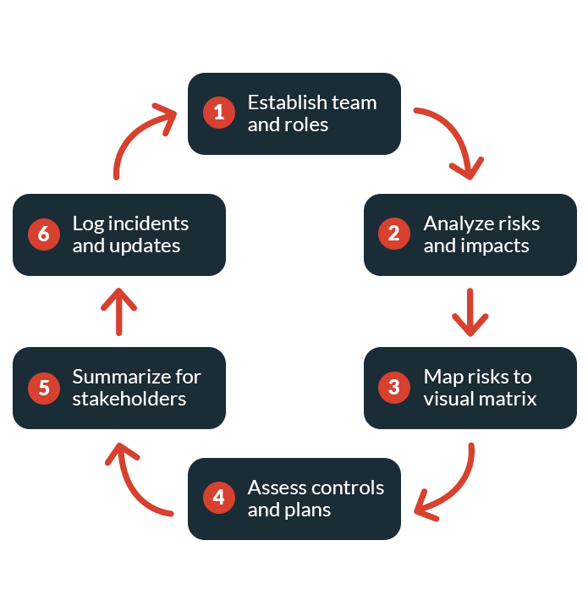
 |  | {Organization} Operational Risk Assessment Template
Document and assess your organization’s operational risks and management controls.
Streamline Your Operations and Mitigate Disruptions

Businesses rely on highly interconnected processes to operate efficiently, and just one disruption can have ripple effects throughout your organization.
An operational risk assessment can help you identify vulnerabilities and develop resilient control systems and management teams.

How to Use This Template
1 | Identify stakeholders and assign roles in the “Team Members” tab.
2 | Document any identified risks to your operations and rate the likelihood and associated impacts in each area of operations in the “Risk Analysis” tab.
3 | Map each risk from the “Risk Analysis” tab onto the chart in the “Risk Matrix” tab based on the likelihood and impact calculations to determine priority.
4 | Copy your risks into the “Mitigation Controls Analysis” tab, then list your current mitigation controls, assess their effectiveness, and document any potential new controls.
5 | Return to the "Executive Summary" tab, summarize your highest-priority risks from the risk matrix, and add any notes or takeaways relevant to stakeholders.
6 | As this is an evolving assessment, the template includes sections to track relevant incidents and version updates:
 | - Over time, add any critical events, emergencies, or operational disruptions to the “Incident Log” tab to inform updates.
 | - Note all future updates in the “Revision Log” portion of the “Executive Summary” tab.

 | Strengthen Your Operational Risk Management With an Integrated Solution
 | In a crisis, you need an effective plan and the right tools to keep your business on track. AlertMedia provides the industry’s most intuitive emergency communication and threat intelligence platform so your team can respond to operational disruptions anytime, anywhere.
 | Backed by a team of experienced analysts, AlertMedia’s fully integrated threat intelligence solution helps you identify risks as soon as they emerge, allowing your team to respond quickly to mitigate damage. Empower your leaders to notify impacted employees and meet recovery time objectives with a scalable communication solution purpose-built for emergencies and critical events. With AlertMedia, you can detect issues, coordinate your response, and facilitate a smooth return to business as usual, all from a unified solution.

 | SEE HOW ALERTMEDIA CAN HELP KEEP YOUR PEOPLE SAFE, WHEREVER THEY ARE. |  | SCHEDULE A DEMO

